LOGICAL
IF EXAMPLE 1
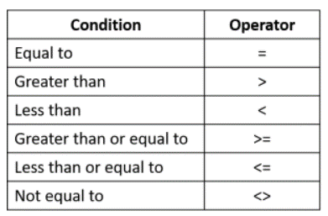
Name | Score | Result
Deborah | 93
Adam | 65
Brooke | 58
James | 79
Rob | 41
Kata | 60

IF EXAMPLE 2

Name | Spent | Inc of Discount
Claire | $1,642.00
Julie | $3,456.00
Max | $1,543.00
Ben | $3,672.00
Courtney | $3,610.00

AND

Name | Score 1 | Score2 | Result
Claire | 93 | 80
Julie | 65 | 91
Max | 50 | 72
Ben | 78 | 93
Courtney | 38 | 30

OR

Name | Score 1 | Score2 | Result
Claire | 93 | 80
Julie | 65 | 91
Max | 50 | 72
Ben | 78 | 93
Courtney | 38 | 30

